bb
 |  |  |  |  |  |  |  | Model B [+] > |  |  |  |  |  |  |  |  |  |  |  |  | Notes > | Parameters > | Calculations >
 | bright buildings inc. |  |  |  |  |  |  |  |  | Scroll down for Model B parameters.
 | bb App 📱
 | 2022-09-12
 | brightbuildings.ca

 | Purpose:
 | To quickly estimate energy consumption of homes and small buildings in Saskatchewan.
 | To determine the heating, cooling and ventilation loads.

 | Read:
 | Models project future energy costs and assume standard conditions for ventilation, occupancy and weather.
 | Given standard conditions, Models A and B present a fair comparison.
 | This tool is most accurate in determining annual space heating energy for high performance homes.
 | Project economics are subject to market volatility.

 | < [+] How to use this tool:

➊ | Input:
* | Building Owner
* | Address

 | Please enter the overall dimensions of the building:
* | Length - (facing east) | 14.02 | m
* | Width - (facing south) | 16.16 | m
* | Height above grade | 4.88 | m
* | Depth below grade | 1.22 | m
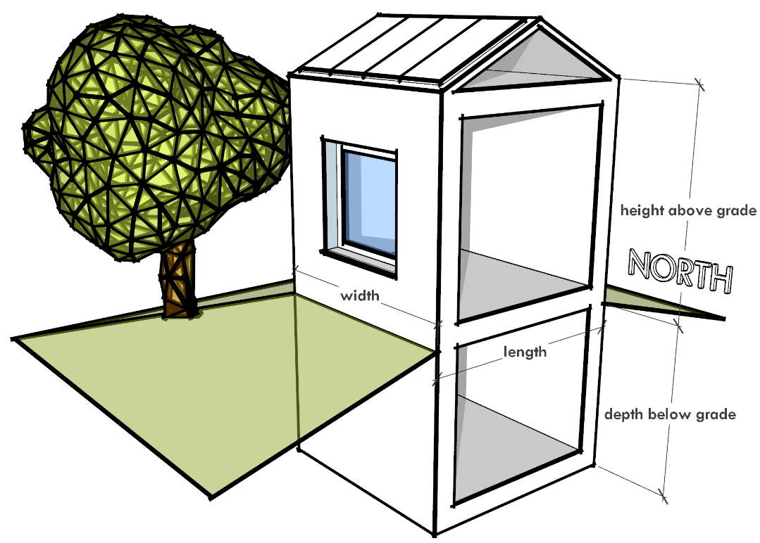
 | Interior Floor Area | 414.5 | m²
 | People | 4 | #
 | Units | 1 | #

 | Roof Area | 226.6 | m²
 | Floor Area (footprint) | 226.6 | m²

* | Available Solar Area | 113.3 | m²

 | Total Window & Glass Doors Area
* | North | 5.57 | m²
* | East | 1.11 | m²
* | South | 9.20 | m²
* | West | 3.62 | m²

* | Exterior Solid Door Area | 5.9 | m²

 | Building Volume | 1382 | m³

 | Climate
 | Heating Degree Days | 5700 | HDD18
 | Heating Degree Hours | 136.8 | kKh/a
top
➋ | Parameters - Model A: |  |  |  |  |  |  |  | ➋ | Parameters - Model B: | What improvements would you like to consider?
* | Airtightness | e. 2.5 [NBC] | ACH @50 Pa |  |  |  |  |  | * | Airtightness | c. 1.0 [Net-zero] | ACH @50 Pa |  |  |  |  |  | Area
 |  |  |  |  |  | R-Values | RSI-Values |  |  |  |  |  |  |  | R-Values | RSI-Values |  | m²
 | Insulation | Type of construction | U-Values |  |  | °F⋅ft²h/BTU | m²K/W |  |  | Insulation | Type of construction | U-Values |  |  | °F⋅ft²h/BTU | m²K/W |  | 414.5 | Interior Floor Area
* | Wall Above Grade | d. R17 - NBC | 0.34 | W/m²K |  | 17 | 2.97 |  | * | Wall Above Grade | h. R35 - 2x4 + 2x8 w Batt | 0.16 | W/m²K |  | 35 | 6.17 |  | 269.1
* | Wall Below Grade | c. R17 - NBC | 0.34 | W/m²K |  | 17 | 2.98 |  | * | Wall Below Grade | h. R30 - 2x4 + 5.5" Batt + Conc. | 0.19 | W/m²K |  | 30 | 5.21 |  | 73.6
* | Roof | d. R50 - NBC | 0.12 | W/m²K |  | 49 | 8.67 |  | * | Roof | e. R80 - 24" | 0.07 | W/m²K |  | 80 | 14.09 |  | 226.6
* | Floor | b. R11 - NBC Above Frost Line | 0.51 | W/m²K |  | 11 | 1.96 |  | * | Floor | e. R25 - 6" Rigid | 0.23 | W/m²K |  | 25 | 4.41 |  | 226.6

 |  |  | U-Values |  |  |  |  |  |  |  |  | U-Values
* | Windows | c. NBC | 1.60 | W/m²K |  | 4 | 0.62 |  | * | Windows | g. Triple Pane (High Performance) - Low SHGC | 1.00 | W/m²K |  | 6 | 1.00 |  | 25.4
 |  | Solar Heat Gain Coefficient (SHGC) | 40% | % |  |  |  |  |  |  | Solar Heat Gain Coefficient (SHGC) | 37% | %
* | Solid Door | b. Insulated (R10) | 0.57 | W/m²K |  | 10 | 1.76 |  | * | Solid Door | b. Insulated (R10) | 0.57 | W/m²K |  | 10 | 1.76 | Perimeter | 60.4 | m

 | Heating Energy Balance - Model A |  | Where does the heat go, where does it come from? |  |  |  |  |  |  | Heating Energy Balance - Model B
 | Space Heating Demand | Internal Heat Gains | Solar Gains | Ventilation | Infiltration | Windows | Floor | Roof | Walls - Below Grade | Walls
Losses |  |  |  | 14 | 25 | 11 | 15 | 9 | 3.2651221998 | 30
Gains | 92 | 11 | 4
 | Space Heating Demand | Internal Heat Gains | Solar Gains | Ventilation | Infiltration | Windows | Floor | Roof | Walls - Below Grade | Walls
Losses |  |  |  | 5.0837787 | 9.8202266922 | 7.5406582986 | 6.7903872 | 5.3077944 | 1.8657841142 | 14.384642146
Gains | 36 | 11 | 3

 |  |  | Losses | Gains |  |  |  |  |  |  |  | Losses | Gains
 |  | Space Heating Demand |  | 92 |  |  |  |  |  |  | Space Heating Demand |  | 36
 |  | Internal Heat Gains |  | 11 |  |  |  |  |  |  | Internal Heat Gains |  | 11
 |  | Solar Gains |  | 4 |  |  |  |  |  |  | Solar Gains |  | 3
 |  | Ventilation | 14 |  |  |  |  |  |  |  | Ventilation | 5
 |  | Infiltration | 25 |  |  |  |  |  |  |  | Infiltration | 10
 |  | Windows | 11 |  |  |  |  |  |  |  | Windows | 8
 |  | Floor | 15 |  |  |  |  |  |  |  | Floor | 7
 |  | Roof | 9 |  |  |  |  |  |  |  | Roof | 5
 |  | Walls - Below Grade | 3 |  |  |  |  |  |  |  | Walls - Below Grade | 2
 |  | Walls | 30 |  |  |  |  |  |  |  | Walls | 14

 |  |  |  |  |  |  |  |  |  | Note scale^

 | Mechanical Equipment - Seasonal Average Efficiency |  |  |  |  |  |  |  |  | Mechanical Equipment - Seasonal Average Efficiency
* | Ventilation | c. Minimum Efficiency NBC 9.36 | 60% | % |  |  |  |  | * | Ventilation | f. 85% | 85% | %
* | Heating | b. High Eff. Furnace / Boiler | 95% | % |  |  |  |  | * | Heating | d. Air Source Heat Pump | 200% | %
* | Cooling | b. Minimum Efficiency AC Unit | 381% | % |  |  |  |  | * | Cooling | d. Air Source Heat Pump | 587% | %
* | Hot Water Heater | b. High Eff. Water Heater / Boiler | 95% | % | Tank |  |  |  | * | Hot Water Heater | d. Heat Pump Water Heater | 230% | % | Tank
* | Drain Water Heat Recovery | a. No | 0% | % |  |  |  |  | * | Drain Water Heat Recovery | b. Yes | 25% | %

 | Hot Water Fixtures, Lighting and Appliances |  |  |  |  |  |  |  |  | Hot Water Fixtures, Lighting and Appliances
* | Hot Water Fixtures | d. Standard fixtures, MURB | 140 | L/day |  |  |  |  | * | Hot Water Fixtures | c. Low flow fixtures, MURB | 90 | L/day
* | Lighting | c. Standard Lighting, MURB | 1.7 | kWh/day |  |  |  |  | * | Lighting | a. LED Lighting | 0.6 | kWh/day
* | Appliances | d. Standard Appliances, MURB | 5.2 | kWh/day |  |  |  |  | * | Appliances | c. EnergyStar Appliances, MURB | 4.2 | kWh/day
* | Plug Loads | b. Fixed plug loads, MURB | 4.4 | kWh/day |  |  |  |  | * | Plug Loads | b. Fixed plug loads, MURB | 4.4 | kWh/day

 |  |  | Carbon Price | 105 | $/tonne
 |  |  | Carbon (kg/kWh) | Carbon ($/kWh) | Total Price ($/kWh)
 | Energy Prices: | Price ($/kWh)
 | a. Electricity | 0.150 | 0.6 | 0.063 | 0.213
 | b. Clean Electricity | 0.150 | 0 | 0.000 | 0.150
 | c. Natural Gas (Fossil) | 0.022 | 0.25 | 0.026 | 0.048
 | d. Clean Gas | 0.063 | 0 | 0.000 | 0.063
 | e. Propane | 0.127 | 0.27 | 0.028 | 0.155
 | f. Wood Pellets | 0.075 | 0 | 0.000 | 0.075
 | Does not include service fees.
top |  |  |  |  |  |  |  |  | top
➌ | Output - Model A: |  |  |  |  |  |  |  | ➌ | Output - Model B: |  |  |  |  |  |  |  | % Improvement
 | Heating Load | 31.4 | kW |  |  | 107,034 | BTU/h |  |  | Heating Load | 14.1 | kW |  |  | 48,053 | BTU/h |  | 55%
 | Cooling Load | 9.2 | kW |  |  | 2.6 | tons |  |  | Cooling Load | 6.9 | kW |  |  | 2.0 | tons |  | 25%

 | Annual Energy Consumption |  |  |  |  |  |  |  |  | Annual Energy Consumption
 | Space Heating | 41,001 | kWh |  |  | 147,602 | MJ |  |  | Space Heating | 8,405 | kWh |  |  | 30,257 | MJ |  | 80%
 | Hot Water | 4,842 | kWh |  |  | 17,432 | MJ |  |  | Hot Water | 1,092 | kWh |  |  | 3,933 | MJ |  | 77%
 | Lights, Appliances, Plugs | 4,125 | kWh |  |  | 14,848 | MJ |  |  | Lights, Appliances, Plugs | 3,358 | kWh |  |  | 12,089 | MJ |  | 19%
 | Total Energy Consumption | 49,967 | kWh |  |  | 179,882 | MJ |  |  | Total Energy Consumption | 12,855 | kWh |  |  | 46,278 | MJ |  | 74%

 | Space Heating Demand | 92 | kWh/m² | Passivhaus metric [15 kWh/m²] |  |  |  |  |  | Space Heating Demand | 36 | kWh/m² |  |  |  |  |  | 60%
 |  |  |  | aka Thermal Energy Demand Intensity, TEDI
 | Annual Energy Costs |  | Fuel Type |  |  |  |  |  |  | Annual Energy Costs |  | Fuel Type |  |  |  |  |  | Savings (Before Solar)
* | Space Heating | $2,252 | c. Natural Gas (Fossil) |  |  |  |  |  | * | Space Heating | $1,261 | b. Clean Electricity |  |  |  |  |  | $992
* | Hot Water | $233 | c. Natural Gas (Fossil) |  |  |  |  |  | * | Hot Water | $164 | b. Clean Electricity |  |  |  |  |  | $69
* | Lights, Appliances, Plugs | $879 | a. Electricity |  |  |  |  |  | * | Lights, Appliances, Plugs | $504 | b. Clean Electricity |  |  |  |  |  | $375
 | Total Projected Energy Costs | $3,364 |  |  |  |  |  |  |  | Total Projected Energy Costs | $1,928 |  |  |  |  |  |  | $1,436

top |  |  |  |  |  |  |  |  | top
➍ | Net-zero Energy Summary - Model A: |  |  |  |  |  |  |  | ➍ | Net-zero Energy Summary - Model B:
Space Heating |  | 41,001
Hot Water |  |  | 4,842
Lights, Appliances, Plugs |  |  |  | 4,125
Electric Vehicle |  |  |  |  | -
Total |  | 41,001 | 4,842 | 4,125 | -
48.4 kW Solar Array | 49,967
Space Heating |  | 8,405
Hot Water |  |  | 1,092
Lights, Appliances, Plugs |  |  |  | 3,358
Electric Vehicle |  |  |  |  | -
Total |  | 8,405 | 1,092 | 3,358 | -
12.5 kW Solar Array | 12,855

 | Model A - Energy Consumption (Gas + Electricity) | Space Heating |  | 41,001 |  |  |  |  |  | Model B - Energy Consumption (Gas + Electricity) | Space Heating |  | 8,405
 |  | Hot Water |  |  | 4,842 |  |  |  |  |  | Hot Water |  |  | 1,092
 |  | Lights, Appliances, Plugs |  |  |  | 4,125 |  |  |  |  | Lights, Appliances, Plugs |  |  |  | 3,358
 |  | Electric Vehicle |  |  |  |  | - |  |  |  | Electric Vehicle |  |  |  |  | -
 |  | Total |  | 41,001 | 4,842 | 4,125 | - |  |  |  | Total |  | 8,405 | 1,092 | 3,358 | -
 | Model A - Electricity Generation | 48.4 kW Solar Array | 49,967 |  |  |  |  |  |  | Model B - Electricity Generation | 12.5 kW Solar Array | 12,855

 |  |  |  |  |  |  |  |  |  |  |  |  |  |  |  |  |  |  | Value Primary Max: 50000
 |  |  |  |  |  |  |  |  |  |  |  |  |  |  |  |  |  |  | Value Primary Max: 50000

 |  |  |  |  |  |  |  |  |  |  |  |  |  |  |  |  |  |  | Axis Maximum | 50,000 | -

top |  |  |  |  |  |  |  |  | top
➎ | See Model B |  |  |  |  |  |  |  | ➎ | Financing your Upgrade:
 |  |  |  |  |  |  |  |  |  |  |  |  |  |  |  |  | Cost per kilowatt-hour saved ($/kWh)
 | If Model B is not shown, expand the group of columns by clicking the [+] plus sign above. |  |  |  |  |  |  |  |  | Improvement | Additional Cost (Installed) |  | Quantity | Included? (1/0) | Cost
 |  |  |  |  |  |  |  |  | 1 | Design | 0 | $/m² | 415 | 1 | $0 |  | $0.00
 |  |  |  |  |  |  |  |  | 2 | Walls | 50 | $/m² wall a.ground | 269 | 1 | $13,453 |  | $0.08
 |  |  |  |  |  |  |  |  | 3 | Basement walls | 30 | $/m² wall b.ground | 74 | 0 | $0 |  | #DIV/0!
 |  |  |  |  |  |  |  |  | 4 | Roof | 10 | $/m² roof | 227 | 1 | $2,266 |  | $0.07
 |  |  |  |  |  |  |  |  | 5 | Floor | 30 | $/m² b.floor | 227 | 1 | $6,798 |  | $0.08
 |  |  |  |  |  |  |  |  | 6 | Windows | 200 | $/m² window area | 25 | 1 | $5,080 |  | $0.03
 |  |  |  |  |  |  |  |  | 7 | Ventilation | 1,000 | $ | 1 | 1 | $1,000 |  | $0.02
 |  |  |  |  |  |  |  |  | 8 | Heat pump | 1,000 | $ | 1 | 1 | $1,000 |  | $0.01
 |  |  |  |  |  |  |  |  | 9 | Water heater | 1,500 | $ | 1 | 1 | $1,500 |  | $0.03
 |  |  |  |  |  |  |  |  | 10 | Electric vehicle charger | 500 | $ | 1 | 0 | $0 |  | #DIV/0!
 |  |  |  |  |  |  |  | Roof Area Sufficient | 11 | Solar 12.5 kW | 163 | $/m² roof | 114 | 1 | $18,685 | 100% | $0.08 | Net-zero
 |  |  |  |  |  |  |  |  | 12 | Battery | 1000 | $ | 0 | 0 | $0 |  | #DIV/0!

 |  |  |  |  |  |  |  |  |  | Max solar with provided roof area: | 21.0 | kW |  | Total Cost | $49,783

 |  |  |  |  |  |  |  |  |  | Business Case
 |  |  |  |  |  |  |  |  |  | Investment | Annual Savings | Payback (years) | IRR | Net-savings (20 years)
 |  |  |  |  |  |  |  |  |  | $49,783 | $3,325 | 15.0 | 2.9% | $16,722

 |  |  |  |  |  |  |  |  |  |  |  | Monthly Payments | Monthly Savings | Monthly Net-savings
 |  |  |  |  |  |  |  |  |  | Term (years) | Interest
top |  |  |  |  |  |  |  |  |  | 20 | 3.14% | $280 | $277 | -$2
 |  |  |  |  |  |  |  |  | top

 | Glossary
 | °C | degree Celsius, temperature scale
 | a | annum, per year
 | ACH, 1/h | Air Changes per Hour, used to describe the air leakage during a blower door test, also used to describe ventilation rates. One air change per hour is the volume of the room being fully replaced every hour.
 | batt | batt insulation, this could be mineral wool, fibreglass or sheeps wool
 | BTU | British Thermal Units, rate: 1 watt = 3.41 BTU per hour, quantity: 1 watt*hour = 3.41 BTU
 | Conc. | concrete
 | effective vs nominal values | effective U-values take into account thermal bridging and other aspects that reduce performance rather than nominal performance stated by the manufacture on the packaging for the insulation alone
 | embodied carbon | total of greenhouse gas emissions that are caused by the manufacture and supply of construction products and materials, as well as the construction process itself
 | Energuide | energy efficiency rating system maintained by the Government of Canada and Natural Resources Canada (NRCan)
 | GJ | gigajoule, 1000 megajoules, or 1 billion joules, unit of energy
 | h | hours
 | heat pump | efficient electric heating system that function based on refrigeration (similar to an air conditioner in reverse, and can provide cooling in the summer), they can be air source or geothermal, they will often require an electric backup heater
 | Heating degree days | Heating degree day is a measurement designed to quantify the demand for energy needed to heat a building. HDD is derived from measurements of outside air temperature. The heating requirements for a given building at a specific location are considered to be directly proportional to the number of HDD at that location.
 | Heating degree hours | similar to heating degree days but measured in hours, heating degree days x 24
 | HELP, Home Energy Loan Program | Saskatoon Home Energy Loan Program
 | I-joist | I-joists are strong, lightweight, "I" shaped engineered wood structural members that are typically used for floor structures. In net-zero retofits they can be used to create an insulation cavity around an existing home.
 | K | Kelvin absolute temperature scale 0 K = -273 °C, a change of 1 K equals a change of 1 °C
 | k, kilo | prefix meaning 1000, one thousand
 | kW | kilowatts, 1000 watts, power, rate of energy consumption, 1000 joules per second
 | kWh | kilowatt*hour, 1000 watt*hours, energy quantity, 1 kilowatt load running for 1 hour, equal to 3.6 megajoules
 | MJ | megajoule, another metric unit of energy quantity, one million joules, 3.6 kilowatt*hours
 | MURB | multi-unit residential building, an apartment or condominium building
 | net-zero energy | A net zero energy home is very energy efficient, it only uses as much energy as it can produce from on-site renewable energy throughout the year. A variation is net-zero carbon.
 | PACE Financing | Loans would be provided by the City to be used for energy efficiency retrofits and energy generation on residential properties. This financing is different than a regular loan as it is tied to a property, not an individual, and therefore has no impact on credit ratings, mortgage limits or other individual debt limits. Loans would be paid back to the City through property taxes. See City of Saskatoon Home Energy Loan Program (HELP)
 | passivhaus | Passivhaus is a voluntary sustainable building standard which results in buildings that require very little energy for space heating or cooling.
 | rigid | Rigid insulation, we recommend mineral wool (Rockwool Comfortboard) since it is vapour permeable and allows drying. Expanded polystyrene (EPS) is another option. Wood fibre insulation is emerging as low embodied carbon option.
 | R-value | thermal resistance, higher is better, the ability of an assembly to prevent heat flow, R-value is the inverse of U-value, R = 1/U
 | SHGC | solar heat gain coefficient, defines how much solar gain is allowed in through a window, high solar gain 50% (for passive solar design), low solar gain 30% (if overheating is a risk)
 | U-value | thermal transmittance or heat transfer coefficient, lower is better, the amount of heat that moves through an assembly for a unit area and temperature difference, U-value is the inverse of R-value, U = 1/R

 | Conversion Table
 | 1 m = 3.28 ft
 | 1 m² = 10.8 ft²
 | U-value [metric] = 5.678 / R-value [imperial]
 | R-value [imperial] = 5.678 / U-value [metric]
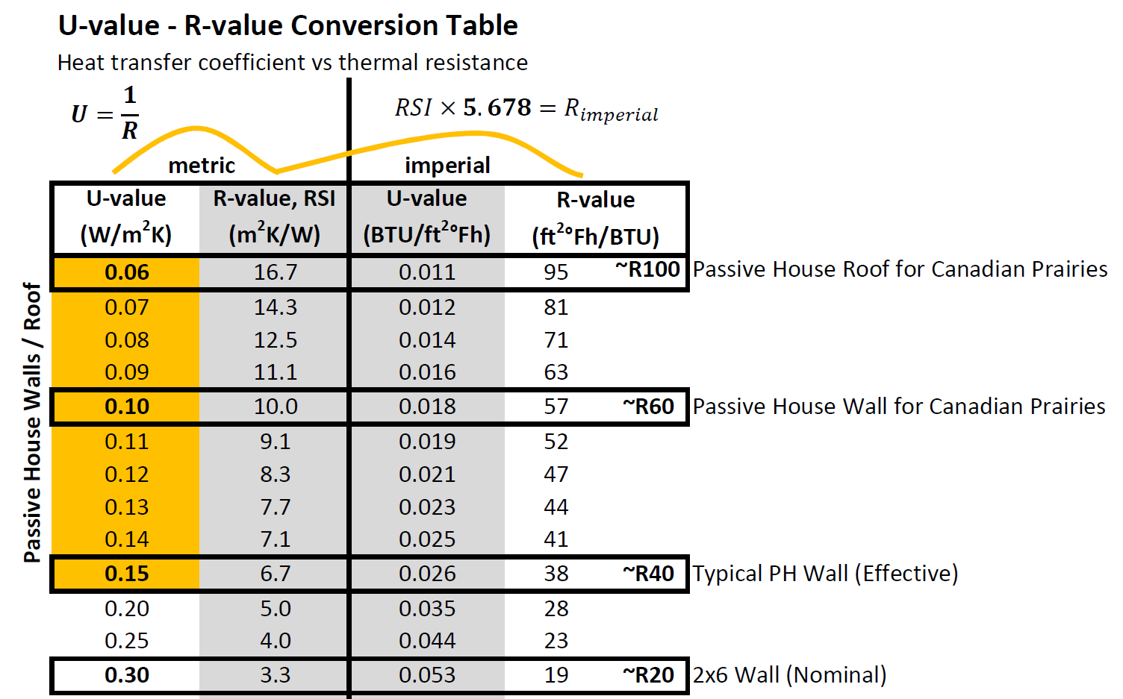

top

 | Technical Notes
1 | The spreadsheet may be unlocked completely by clicking "Unprotect Sheet" in the "Review" toolbar. There is no password.
2 | Feel free to modify or make improvements.
3 | Insulation effective R-values account for NBC 9.36 typical framing percentages.
4 | Re-select parameters if updates are made in the Parameter Library.
5 | Please open with Microsoft Excel.
6 | Contact Bright Buildings for photos, details and schematics designs.
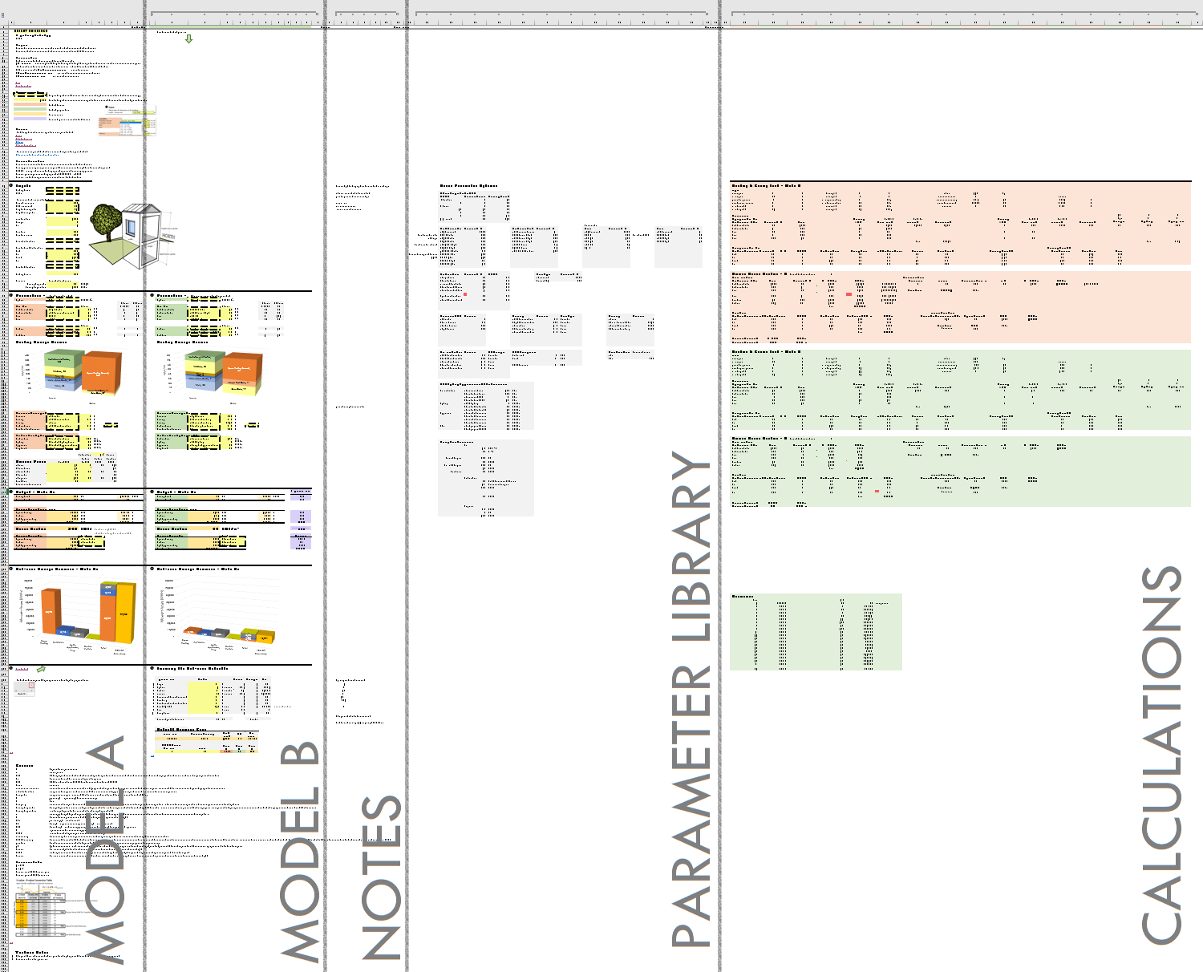

top

 |  |  |  |  |  |  |  |  |  |  |  |  |  |  |  |  |  |  | -

top
From Google Sheets
Time | First | Last | Email | Phone | Address | Upload | Length (m) | Width (m) | Levels | Basement
2021-Sep-06 10:14PM Mon |  |  |  |  |  |  | 9.76 | 12.81 | 2 | TRUE

